sheet 1 (2)
XJ BEAUTY LIMITED
U.S. office Address : 9142 Pulsar Ct, Corona, CA 92883, USA
Tel : 949-232-2539
Email: bill@xj-beauty.com
QUOTATION
To: Michel
DATE: Mar. 23 2026
Description | Option | Picture | Details | DDP LA
15ml Perfume Bottle | Option 1- Short Collar (XJ - LL) | 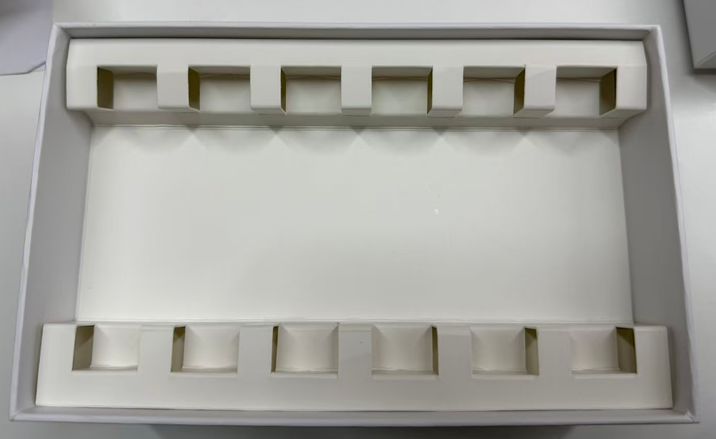 | 15ml Perfume Bottle: Net Weight: 18.95g/pc Cap & Collar: Black Bottle: Spray in white, 1c print Paper Box (6 inserts): Net Weight: 100g/pc Drawer style Box: 6c print, Spot UV logo | US$3.30
15ml Perfume Bottle | Option 2- Tall Collar (XJ - RX) |  | 15ml Perfume Bottle: Net Weight: 19.75g/pc Cap & Collar: Black Bottle: Spray in white, 1c print Paper Box (6 inserts): Net Weight: 100g/pc Drawer style Box: 6c print, Spot UV logo | US$3.60
Fill and assemble in California | 6 bottles in a box |  | fill 6 bottles, crimp cap, assemble into the box with a sleeve | US$6.95
TOTAL |  |  |  | OPTION 1:$10.25 OPTION 2:$10.55
1.We reserve the right to revise the quotation after final container & its finishing, bulk quality & color, and packaging methods (or materials) are confirmed.
2.Term of Payment: 40% deposit when ORDER confirmed; 60% against production completion
3.Price vaild for 30 days.
4.Quality level: MIL-STD-105E, Level II, AQL: Critical: 0.65, Major: 1.5, Minor: 6.5.
5.Time of Delivery:General lead-time about 90-100 days after final samples approved.

